Navigation


HOME

PivotTables

DashBoard1

DashBoard2

HomePage
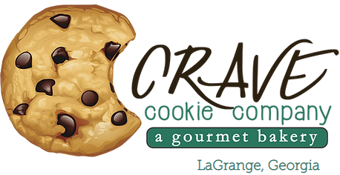
 | CRAVE | 1,125,806
 |  | 4,690,250.50
 |  | 1,973,186.12
 |  | 2,717,064.38
1,973,186.13
Total Cost
 |  | 57.93%
1,125,806
Total Units Sold

Home

DashBoard1
4,690,250.50
Total Revenue

DashBoard2

PivotTables

2,717,064.38
Total Profit
57.93%
Profit Margin
Navigation

DashBoard1
Products revenue over the Years
 | Chocolate Chip | Fortune Cookie | Oatmeal Raisin | Snickerdoodle | Sugar | White Chocolate Macadamia Nut
2019 | 411235 | 36280 | 168440 | 125616 | 124752 | 236826
2020 | 1279962.5 | 117918 | 608135 | 461768 | 381597 | 737721
Sum of Units Sold Over Years
 | Chocolate Chip | Fortune Cookie | Oatmeal Raisin | Snickerdoodle | Sugar | White Chocolate Macadamia Nut
2019 | 82247 | 36280 | 33688 | 31404 | 41584 | 39471
2020 | 255992.5 | 117918 | 121627 | 115442 | 127199 | 122953.5
Units Sold In Cities Over Years
 | 2019 | 2020
Green Bay | 74393 | 255283.5
Huntington | 62039 | 204851
Mobile | 46182 | 133265.5
Salt Lake City | 45605 | 175418
Seattle | 36455 | 92314
 | SLICERS

Home

DashBoard1

DashBoard2

PivotTables

Sum of cost according to states
 | Total
AL | 302258.875
NY | 468968.45
UT | 380091.575
WA | 219053.625
WI | 602813.6
Cost of products over years
 | Chocolate Chip | Fortune Cookie | Oatmeal Raisin | Snickerdoodle | Sugar | White Chocolate Macadamia Nut
2019 | 164494 | 18140 | 74113.6 | 47106 | 51980 | 108545.25
2020 | 511985 | 58959 | 267579.4 | 173163 | 158998.75 | 338122.125
Navigation

DashBoard2
Sum Of Cost Of Products
 | Total
Chocolate Chip | 676479
Fortune Cookie | 77099
Oatmeal Raisin | 341693
Snickerdoodle | 220269
Sugar | 210978.75
White Chocolate Macadamia Nut | 446667.375
 | SLICERS

Home

DashBoard1

revenue by Customer id
 | Total
1 | 521251
2 | 903407
3 | 1431191
4 | 1108643
5 | 725758.5
DashBoard2
Sum Of Revenue By Product
 | Total
Chocolate Chip | 1691197.5
Fortune Cookie | 154198
Oatmeal Raisin | 776575
Snickerdoodle | 587384
Sugar | 506349
White Chocolate Macadamia Nut | 974547
Sum Of Units Sold Of Products
 | Total
Chocolate Chip | 338239.5
Fortune Cookie | 154198
Oatmeal Raisin | 155315
Snickerdoodle | 146846
Sugar | 168783
White Chocolate Macadamia Nut | 162424.5

PivotTables

Navigation

